EXERCISE 2.11
EXERCISE 2.11

 | DATA TO GRAPH |  |  |  |  | FIGURE 2.11

 | Successful Opportunities by Center (FLU) |  |  |  |  | Successful Opportunities by Center (FLU)

 | Center | Vaccines | Opportunities | Success % | Average
 | BDT | 2,519 | 25,703 | 9.8% | 12.1%
 | DBA | 4,142 | 31,249 | 13.3% | 12.1%
 | FMP | 4,075 | 30,548 | 13.3% | 12.1%
 | LTA | 1,840 | 18,857 | 9.8% | 12.1%
 | MVT | 1,478 | 16,474 | 9.0% | 12.1%
AVERAGE 12.1%
 | OCE | 4,495 | 22,497 | 20.0% | 12.1%
 | ODP | 2,244 | 15,063 | 14.9% | 12.1%
 | ONK | 1,546 | 17,064 | 9.1% | 12.1%
 | PLB | 2,589 | 21,933 | 11.8% | 12.1%
 | RDM | 1,796 | 17,479 | 10.3% | 12.1%
 | SBC | 2,036 | 21,937 | 9.3% | 12.1%
 | SDT | 2,221 | 13,983 | 15.9% | 12.1%
 | SEP | 3,630 | 21,395 | 17.0% | 12.1%
 | WBA | 1,091 | 13,042 | 8.4% | 12.1%
 | WLT | 1,954 | 24,562 | 8.0% | 12.1%
 | TOTAL | 37,656 | 311,786 | 12.1% | 12.1%

prompt
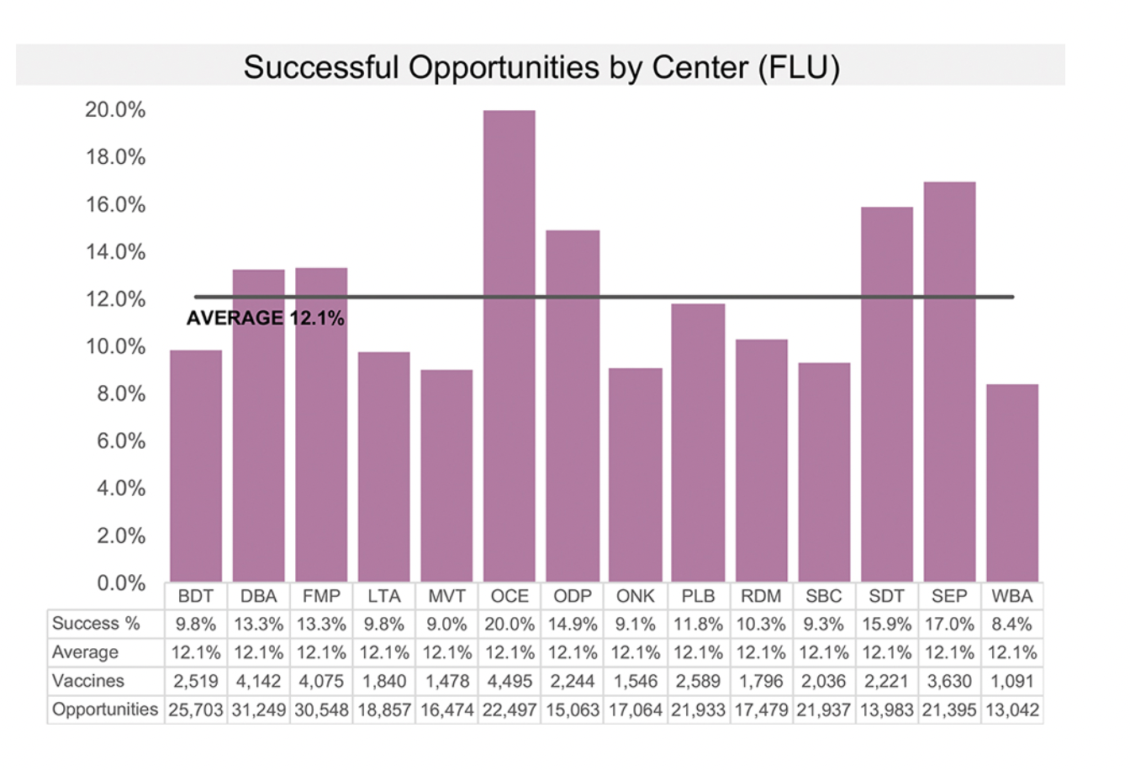
 | Extra Credit
 | Submit to your instructor by email or Slack before next week’s lab session
y axis only
goes to 20% | Read Chapter 2 of SWD. Review questions 1-6 of Exercise 2.11, then download the data and create your ideal view in the tool of your choice (question 6)

 | Imagine you work for a regional health care center and want to assess the relative success of a recent flu vaccination education and administration program across your medical centers.
 | You have a dashboard where related metrics are reported and your colleague pulled the following visual from it. Take a moment to study Figure 2.11 and answer the following questions.

 | Figure 2.11 Original visual from dashboard

 | QUESTION 1: How is the data sorted? How else could we sort it? In what circumstances would you make a different decision about how to order the data?
 | QUESTION 2: There is currently a horizontal line to show the average. How do you feel about this? How else could you show the average?
 | QUESTION 3: What if there were a target—how might you incorporate it? Assume the target is 10%. How would you show this? Now assume the target is 25%. Does this change what you would show or how you would show it?
 | QUESTION 4: The graph contains a data table. Do you find this effective? What are the pros and cons of embedding a data table within a graph? Would you keep it or eliminate it in this case?
 | QUESTION 5: The graph currently shows the proportion who received the vaccination. What if you wanted to focus on the opportunity—the proportion who did not receive the vaccination—how could you visualize this?
 | QUESTION 6: How would you graph this data? Download it and create your ideal view in the tool of your choice.

 | Notes:
 | Terrible title (what's "Successful Opportunities"? Why is FLU in all caps?
 | What does Success % mean?
 | Visualization ideas:
 |  | Packed Clusters in R
 |  | Square Pie Chart (kind of heatmap-like grid)

